Smoking
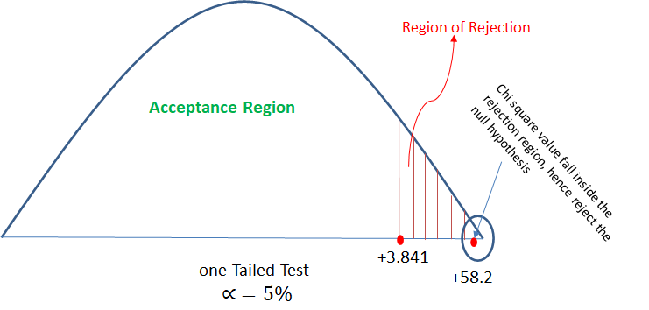
Question 2. Analyze the below data and tell whether you can conclude that smoking causes cancer or not?

Category | Diagnosed As Cancer | Without Cancer | Total
Smokers | 220 | 230 | 550
Non-Smokers | 350 | 640 | 990
Total | 680 | 910 | 1590

Category | Diagnosed As Cancer | Without Cancer
Smokers | o = 220, e = 570*450/1440 = 178.125 | o = 230, e = 450*870/1440 = 271.875
Non-Smokers | o = 350, e = 990*570/1440 = 391.875 | o = 640, e = 990*870/1440 = 598.125

Category | Diagnosed As Cancer | Without Cancer | Total
Smokers | 178.125 | 271.875 | 450
Non-Smokers | 391.875 | 598.125 | 990
Total | 570 | 870 | 1440

O | E | (O-E) | A = (O-E)^2 | X^2 = (A/E)
220 | 178.125 | 41.875 | 1753.515625 | 9.8442982456
230 | 271.875 | -41.875 | 1753.515625 | 6.4497126437
350 | 391.875 | -41.875 | 1753.515625 | 4.4746810207
640 | 598.125 | 41.875 | 1753.515625 | 2.9316875653
 |  |  | Total | 23.700379475

Solution:
Step 1: H0 (Null Hypothesis): Cancer is dependent on smoking
H1 (Alternate Hypothesis): cancer is not dependent on smoking

Step 2: Calculate the expected value for each cell of the table (when null hypothesis is true) The expected values specify what the values of each cell
of the table would be if there is no association between the two variables. The formula for computing the expected values requires the sample size,
the row totals, and the column totals. expected value (e) = (row total * column total)/table total Now lets create another table with observed and
expected values both:

Step 3: calculate the chi square value: χ2 = Σ[(o-e)2]/e ; χ2 = 23.70

Step 4: Decide if χ2 is statistically significant. The final step of the chi-square test of significance is to determine if the value of the chi-square test
statistic is large enough to reject the null hypothesis. Now will check χ2 table for the critical value with α = 5% So from table we got χ2 (critical
value at α = 5%) = 3.841 The chi-square value of 23.70 is much larger than the critical value of 3.84, so the null hypothesis can be rejected. Which
means with given data, it can be significantly concluded that cancer is not dependent on smoking.

